total
 | Sutton Slip On
 | SKU | Color | 6.0 | 6.5 | 7.0 | 7.5 | 8.0 | 8.5 | 9.0 | 9.5 | 10.0 | 11.0 | TOTAL PAIRS | retail price
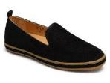 | FLA-S001 | BLACK | 94 | 96 | 99 | 203 | 204 | 207 | 95 | 94 | 98 | 12 | 1,202 | $125.00
 | FLA-S270 | NUDE | 11 | 11 | 10 | 28 | 30 | 31 | 15 | 15 | 15 | 4 | 170 | $125.00
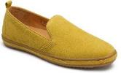 | FLA-S300 | POND GREEN | 9 | 11 | 13 | 25 | 28 | 27 | 11 | 12 | 13 | 4 | 153 | $125.00
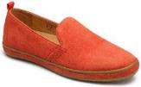 | FLA-S610 | CHERRY TOMATO | 28 | 27 | 28 | 60 | 61 | 57 | 30 | 31 | 27 | 10 | 359 | $125.00
 | FLA-H257 | LEOPARDB ROWN / BLACK | 22 | 23 | 22 | 48 | 48 | 49 | 24 | 22 | 24 | 6 | 288 | $125.00
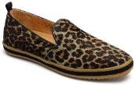 | FLA-H361 | LEOPARD SAGE / BLACK | 14 | 16 | 13 | 28 | 28 | 30 | 13 | 17 | 14 | 2 | 175 | $125.00
 | FLA-MSN710 | GOLD PRINTED SNAKE | 28 | 28 | 29 | 60 | 59 | 60 | 31 | 31 | 28 | 7 | 361 | $125.00
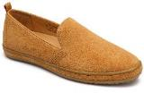 | FLA-S210 | BUCKTHORN | 30 | 28 | 31 | 62 | 61 | 62 | 33 | 32 | 28 | 10 | 377 | $125.00
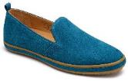 | FLA-S400 | TEAL | 14 | 15 | 11 | 29 | 30 | 28 | 14 | 15 | 13 | 3 | 172 | $125.00
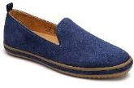 | FLA-S416 | BLUEBERRY | 25 | 27 | 21 | 58 | 57 | 62 | 32 | 29 | 32 | 8 | 351 | $125.00
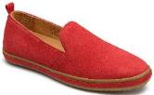 | FLA-S600 | RED | 16 | 15 | 12 | 27 | 28 | 29 | 15 | 15 | 15 | 3 | 175 | $125.00
 |  | Total | 394 | 413 | 397 | 888 | 885 | 911 | 454 | 451 | 445 | 99 | 3,783

 | Knit Sutton SNEAKER
 | SKU | Color | 6.0 | 6.5 | 7.0 | 7.5 | 8.0 | 8.5 | 9.0 | 9.5 | 10.0 | 11.0 | TOTAL PAIRS | retail price
 | NKSU-J410 | SEA BLUE | 16 | 14 | 15 | 39 | 40 | 42 | 20 | 23 | 22 | 3 | 234 | $105.00
 | NKSU-J446 | OCEAN DEPTH | 16 | 20 | 22 |  | 44 | 47 | 24 | 24 | 24 | 4 | 225 | $105.00
 | NKSU-J516 | FAIR ORCHID | 18 | 19 | 14 | 42 | 40 | 49 | 22 | 27 | 21 | 5 | 257 | $105.00
 | NKSU-J802 | APRICOT | 18 | 19 | 18 | 43 | 47 | 47 | 24 | 27 | 24 | 5 | 272 | $105.00
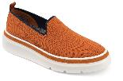 | NKSU-J806 | CLAY | 17 | 21 | 21 | 40 | 36 | 40 | 18 | 21 | 20 | 2 | 236 | $105.00
 |  | Total | 85 | 93 | 90 | 164 | 207 | 225 | 108 | 122 | 111 | 19 | 1,224

 | Knit Sutton Slip On
 | SKU | Color | 6.0 | 6.5 | 7.0 | 7.5 | 8.0 | 8.5 | 9.0 | 9.5 | 10.0 | 11.0 | TOTAL PAIRS | retail price
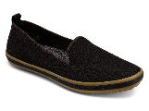 | NFLA-J001 | BLACK | 117 | 110 | 112 | 231 | 242 | 235 | 118 | 110 | 113 | 19 | 1,407 | $95.00
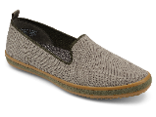 | NFLA-J362 | SAGE | 21 | 25 | 23 | 50 | 42 | 46 | 26 | 26 | 28 | 6 | 293 | $95.00
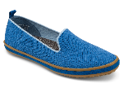 | NFLA-J410 | SEA BLUE | 23 | 23 | 28 | 51 | 46 | 53 | 27 | 24 | 24 | 8 | 307 | $95.00
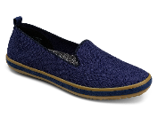 | NFLA-J411 | NAVY | 51 | 52 | 46 | 107 | 101 | 101 | 54 | 48 | 47 | 15 | 622 | $95.00
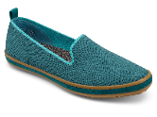 | NFLA-J446 | OCEAN DEPTH | 21 | 26 | 26 | 48 | 49 | 49 | 30 | 25 | 28 | 7 | 309 | $95.00
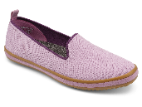 | NFLA-J516 | FAIR ORCHID | 14 | 17 | 16 | 33 | 28 | 33 | 14 | 17 | 17 | 6 | 195 | $95.00
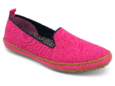 | NFLA-J661 | VERY BERRY | 17 | 18 | 16 | 31 | 29 | 32 | 12 | 17 | 12 | 5 | 189 | $95.00
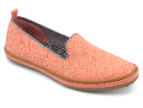 | NFLA-J802 | APRICOT | 20 | 28 | 26 | 53 | 52 | 52 | 28 | 25 | 24 | 8 | 316 | $95.00
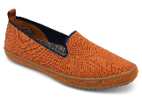 | NFLA-J806 | CLAY | 20 | 24 | 22 | 50 | 46 | 44 | 29 | 27 | 28 | 8 | 298 | $95.00
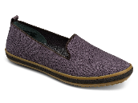 | NFLA-J024 | SLATE | 22 | 23 | 20 | 46 | 49 | 49 | 24 | 24 | 24 | 7 | 288 | $95.00
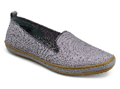 | NFLA-J034 | MIST | 41 | 40 | 39 | 81 | 80 | 79 | 42 | 34 | 40 | 9 | 485 | $95.00
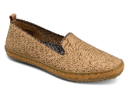 | NFLA-J210 | BUCKTHORN | 19 | 20 | 19 | 44 | 40 | 50 | 24 | 21 | 23 | 6 | 266 | $95.00
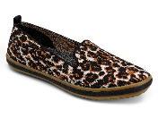 | NFLA-J257 | LEOPARD BROWN/BLACK | 38 | 38 | 40 | 81 | 78 | 82 | 42 | 37 | 35 | 9 | 480 | $95.00
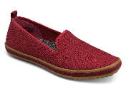 | NFLA-J606 | CARMINE | 28 | 31 | 38 | 56 | 63 | 64 | 45 | 31 | 29 | 8 | 393 | $95.00
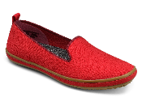 | NFLA-J610 | CHERRY TOMATO | 19 | 17 | 18 | 45 | 47 | 47 | 26 | 24 | 25 | 6 | 274 | $95.00
 |  | Total | 471 | 492 | 489 | 1,007 | 992 | 1,016 | 541 | 490 | 497 | 127 | 6,122

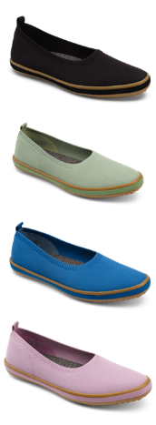
 | Knit Sutton BALLET
 | SKU | Color | 6.0 | 6.5 | 7.0 | 7.5 | 8.0 | 8.5 | 9.0 | 9.5 | 10.0 | 11.0 | TOTAL PAIRS | retail price
 | NFSB-J001 | BLACK | 73 | 70 | 72 | 151 | 153 | 155 | 80 | 70 | 69 | 12 | 905 | $95.00
 | NFSB-J357 | GRANITE GREEN | 16 | 14 | 16 | 32 | 30 | 35 | 16 | 14 | 19 | 4 | 196 | $95.00
 | NFSB-J410 | SEA BLUE | 20 | 19 | 25 | 46 | 49 | 45 | 29 | 24 | 20 | 6 | 283 | $95.00
 | NFSB-J516 | FAIR ORCHID | 11 | 20 | 19 | 31 | 41 | 41 | 13 | 20 | 23 | 6 | 225 | $95.00
 | NFSB-J619 | WOOD ROSE | 20 | 19 | 21 | 47 | 47 | 47 | 26 | 22 | 23 | 8 | 280 | $95.00
 | NFSB-J802 | APRICOT | 21 | 22 | 26 | 47 | 43 | 55 | 27 | 22 | 26 | 6 | 295 | $95.00
 | NFSB-J257 | LEOPARD BROWN / BLACK | 18 | 19 | 20 | 44 | 42 | 42 | 24 | 24 | 22 | 3 | 258 | $95.00
 | NFSB-J261 | OATMEAL | 22 | 23 | 22 | 49 | 47 | 50 | 26 | 25 | 23 | 6 | 293 | $95.00
 | NFSB-J411 | NAVY | 33 | 34 | 38 | 76 | 73 | 81 | 38 | 41 | 38 | 12 | 464 | $95.00
 | NFSB-J605 | BERRY RED | 19 | 20 | 21 | 45 | 47 | 46 | 25 | 24 | 24 | 6 | 277 | $95.00
 |  | Total | 253 | 260 | 280 | 568 | 572 | 597 | 304 | 286 | 287 | 69 | 3,476

 |  |  |  |  |  |  |  |  |  |  |  | WOMEN SHOES Grand Total: | 14,605

